Sheet1
Num | Time | Description | Priority | Reportor | OIC | Jie Min | Status
1 |  | Font unable to select “Arial” |  |  | Fixed |  | Fixed
2 |  | Font unable to customise |  |  |  | Still unable to customise the style. Can’t bold / italic/ underline or strikeoff. | fixed | 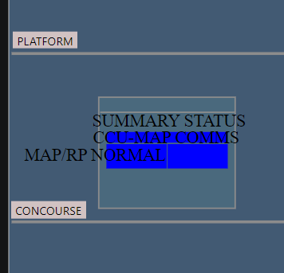 | 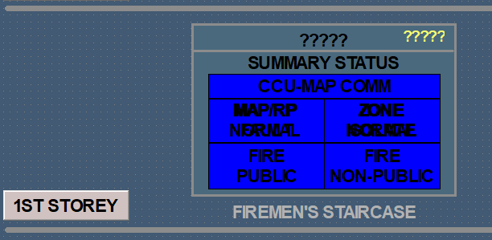
3 |  | Double clicking on the text doesn’t prompt or pop up any editor for font |  |  | Fixed |  | Fixed
4 |  | As above “MAP/RP NORMAL”, I am unable to make it “MAP/RP NORMA" can lable support multiple lines? |  |  | Suggestion: to use two text label to display | Would be better if can use the “next line” function. Will be equalise spacing. | fixed
5 |  | When selecting ‘0’ for width, the line is too fine, as compared to Iconics. |  |  | 0 width will hide the displayed line. |  | fixed
6 |  | Button unable to change font either. Cannot select VBA Script and launch the relevant schematics through custom data. |  |  | Added a new action named “Display Value” for text label, we can use it to display a value of tag. |  | fixed
7 |  | There is no Intrinsics tools for me to display PPT/DE (shortLabel - to link to DB) |  |  |  |  | Fixed
8 |  | Undo sometimes is not functioning, need to click the button in the UI. (can’t use ctrl + z) |  |  | Supported control + Z. | Yet to test | Fixed
9 |  | X and Y pixels not reflecting the same as Iconics. |  |  | The 0 value of Y axis issue has been fixed. |  | Fixed
10 |  | Editor taking up too much space on the right side of the screen making it unable to see the whole Schematics. |  |  | Provided a << >> arrow to hide the right side of editor setting. |  | Fixed
11 |  | Unable to zoom in just to the Schematics to edit details, only can zoom in the whole Google chrome page. |  |  | Provided a zoom control on the top tool bar. | Tested but unable to have customised zoom %. | Fixed
12
13 |  | When saving the file, it generates multiple .svg file unlike Iconics. Just one file. |  |  |  |  | Duplicated
14 | 2023-06-26 | When opening the previously saved SVG, the background goes back to white |  |  | Fixed the issue that background colour cannot be saved. |  | Closed
15 |  | Only when loading after 3 times the same SVG then it works. |  |  |  | Issue solved by solving item 13 | Closed
16 |  | There is button there but not showing. |  |  |  | Issue solved by solving item 13 | Closed
17 | 2022-08-04 | Supports change of font of text but not for buttons. |  |  | Fixed, support to change of font for test button. | Same as item 2.
18 | 2022-08-04 | Background colour always goes missing when save as svg file, or when import in. |  |  | Fixed the issue that background colour cannot be saved |  | Fixed
19 | 2022-08-04 | Font size doesn’t seem to work. Even when at same font size, the texts are still of different sizes. |  |  | Fixed. | Yet to test | Fixed
20 | 2022-08-12 | Possible to add “Display Value” as a shortcut / controls on the <<Drawing Tool Box>> instead of manually adding a text then pick “Display Value”. |  |  |  |  | Fixed
21 |  | Display Value Data Source Type limited to [INTEGER] & [FLOAT]. So have more options like [FLOAT] [DOUBLE] [BOOL] [BYTE] [STRING] [NATIVE] Format to have more options too or able to customise. |  |  |  |  | Fixed
22 |  | BUTTON lacks of customisation to make it look like real button |  |  |  |  | fixed
23 |  | Local aliases function not available.
24 | 2023-06-12 | Zoom in/Zoom out can be more |  |  |  | provided 500, 800,1000 | Fixed
25 | 2023-06-12 | Autosave function to save the drawing |  |  |  | Can only store data smaller than 5m | Closed
26 | 2023-06-12 | Lock of the symbol |  |  |  | todo | todo
27 | 2023-06-12 | No flip function |  |  |  | provided flip function | Fixed
28 | 2023-06-12 | Cannot draw Arc |  |  |  |  | todo
29 | 2023-06-12 | Cannot draw long straight line properly can provide x, y position to create line? |  |  |  |  | todo
30 | 2023-06-12 | Template did not save the expression, it only save the shape |  |  | Fixed the problem |  | Fixed
31 | 2023-06-12 | Add new template have to refresh in order to use it |  |  |  |  | Fixed
32 | 2023-06-12 | No underline function |  |  |  |  | fixed
33 | 2023-06-12 | Cannot draw parallelogram Cannot fill the shape that is manually drawn/image |  |  |  |  | fixed
34 | 2023-06-12 | Copy and paste object, the expression is not copied |  |  |  |  | todo
35 | 2023-06-12 | Time/date function not supported |  |  | There is a datetime control in the drawing tool box |  | Closed
36 | 2023-06-12 | Unable to get pick function when the symbol is an object/image Unable to use “Pick” action if it’s not a button. | 1 |  |  |  | doing
37 | 2023-06-12 | Template with many elements cannot be saved |  |  |  |  | todo
38 | 2023-06-12 | Cannot process PPT/DE(????) |  |  | to use display value action on textbox |  | To be test
39 | 2023-06-12 | Added image always show at the bottom right corner |  |  |  |  | To be test
40 | 2023-06-12 | Files have to keep saving unlike ICONICS only save one files |  |  |  |  | closed
41 | 2023-06-26 | No scrollbar, unable to see the full layout. |  |  | Hui Rong suggested zooming out the whole page to view the editor temporary. |  | closed
42 | 2023-06-26 | Unit Text not showing despite Show Unit is ticked.
43 | 2023-06-26 | Unable to see the text. Overlapping text in “Color”
44 | 2023-07-04 | Time/date function box color cannot change and resize |  | hui xin | resize是有的，缺少颜色的配置 |  | Open
45 | 2023-07-11 | Copy and paste of object, the color of is not copied |  | hui xin | 需要提供测试例子，本地未发现 |  | Open
46 | 2023-07-12 | <<EQT>>.ShortLabel cannot be tested |  | hui xin | 描述不清楚 |  | Open
47 | 2023-07-12 | <<EQT>>.ONITP cannot be tested |  | hui xin | 描述不清楚 |  | Open
48 | 2023-07-12 | Hide/disable function this {~~bDeclutterLabel~~} is not supported |  | hui xin | 描述不清楚 |  | Open
49 | 2023-07-12 | not user friendly for scripting in Pick function |  | hui xin | 描述不清楚 |  | Open
50 | 2023-07-12 | Pick option for LoadDisplay cannot be tested |  | hui xin | svg的配置 1.svg相关文件放到nginx映射文件目录 |  | Open

